FOR GCP
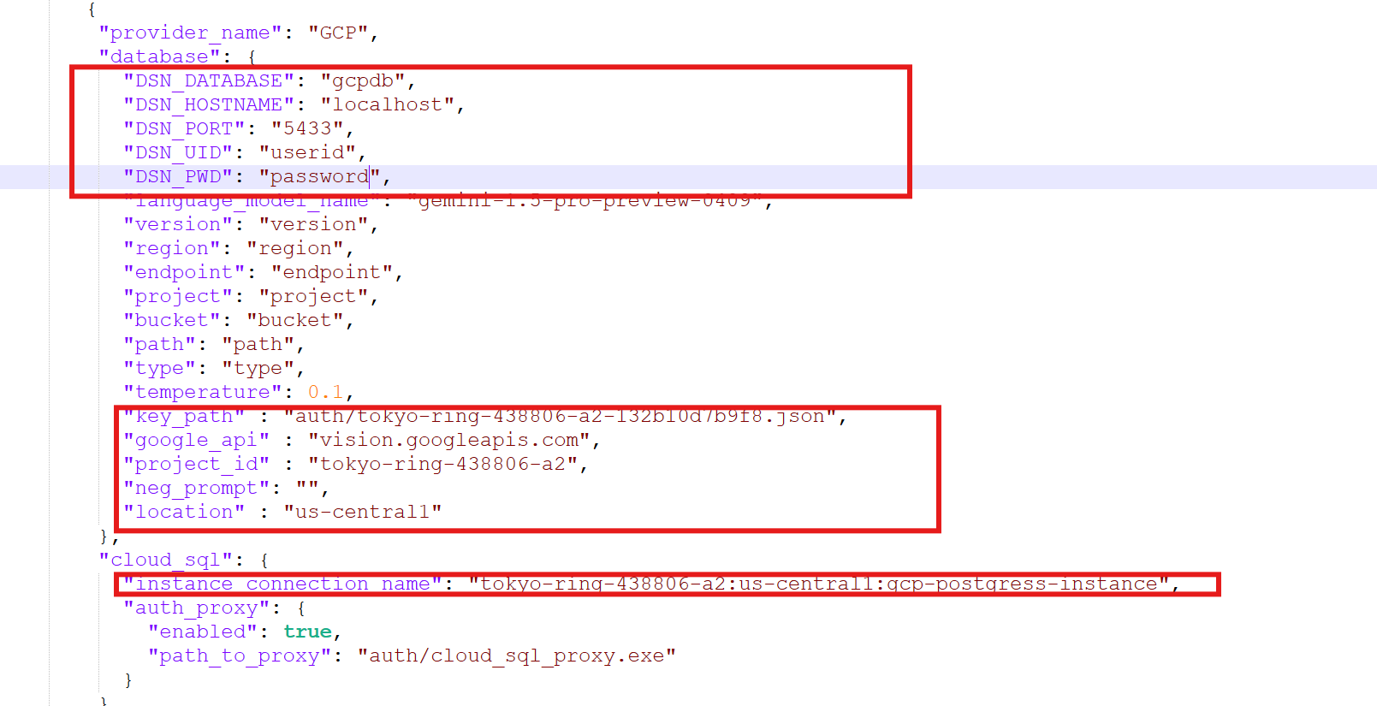
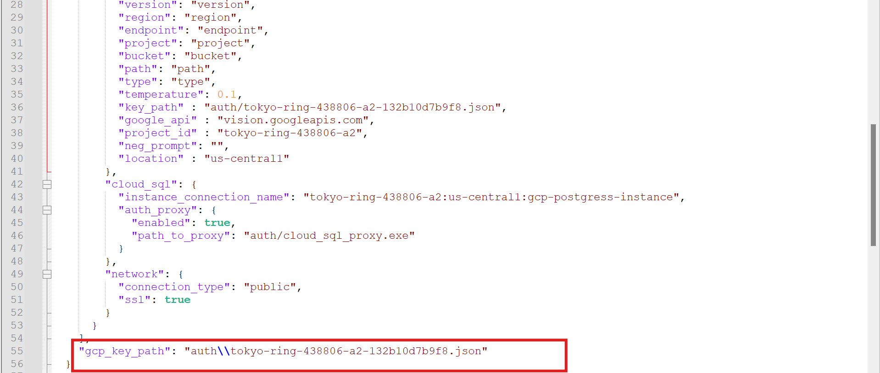
System_configuration.json file has all IBM and GCP credentials
Change the highlighted details once we get the needed credentials
Include model if needed,apart from language model.
In auth folder under server , make sure to update details LTIM account details

Migration from IBM cloud to GCP
Using PGADMIN for data migration:
1. Open pgadmin and connect to IBM cloud Postgresql instance.
2. Navigate to the database that we need to backup.
3. Right click on the database and select Backup..
4. In backup database dialog, choose the filename and location for the backup file
File name: C:\Users\empid\Documents\abc.dump
 | Format : Custom
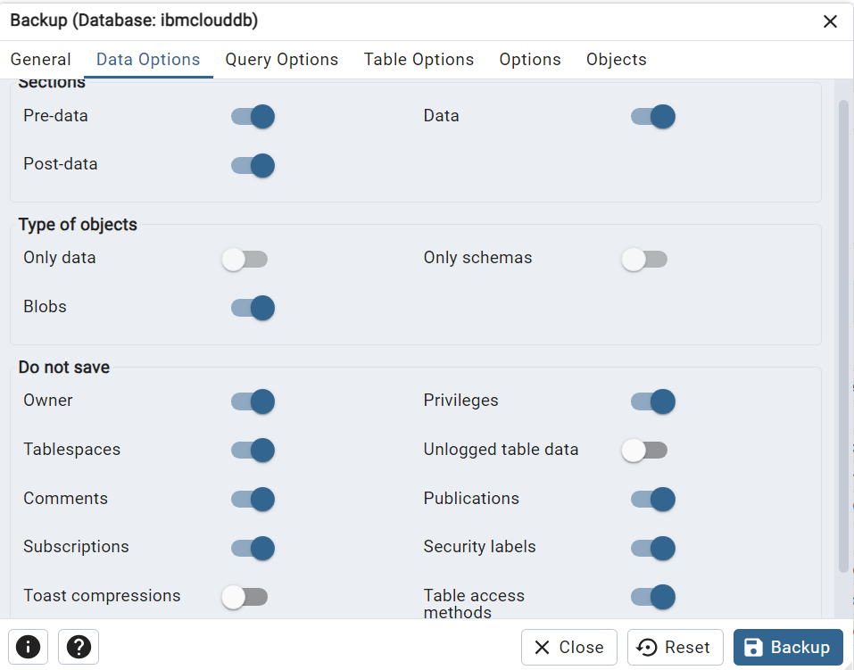

5. Click on backup (Back up process will start ).

Restore process::
1. Open pgadmin and connect to GCP Postgresql instance.
2. Navigate to the database that we need to restore.
3. Right click on the database and select Restore..
4. In Restore database dialog, choose the filename and location (backup file location and file)

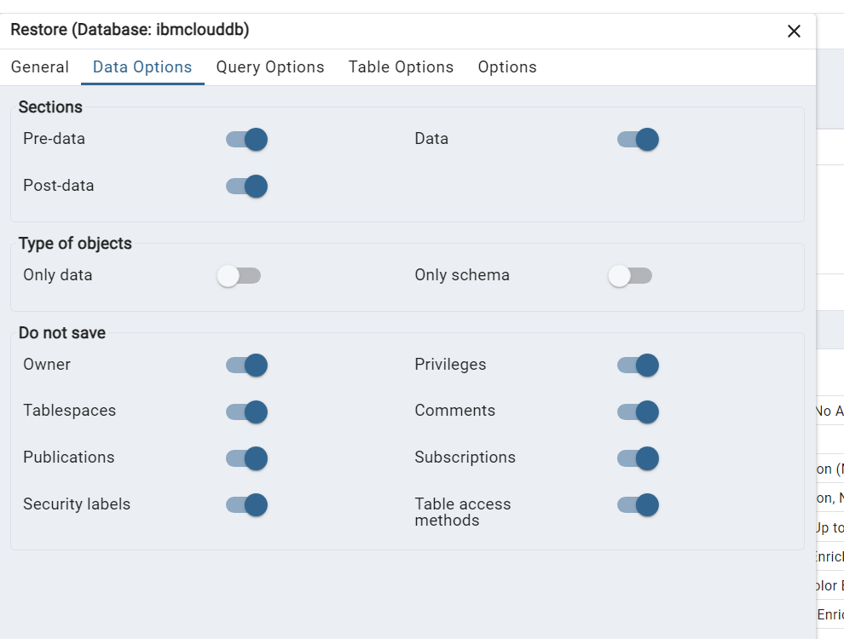
File name: C:\Users\empid\Documents\abc.dump
 | Format : Custom

 | Now click on restore and the data will be added once finished.

